Sheet1
DATE | INV NO. | DESCRIPTIONS | QTY | BILLS | PRICE | TOTAL
7-Oct-2025 | PLM-INV3942/2025 | ISOLA RISERVA SYRAH 750ml | 3 | 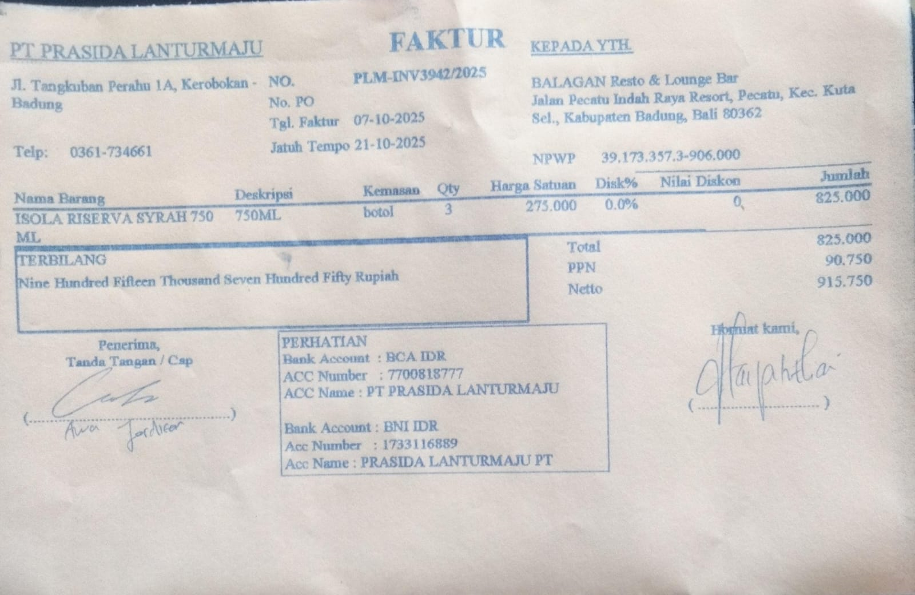 | IDR 275,000 | IDR 825,000
SUBTOTAL |  |  | 3 |  | PPN | Rp90,750
TOTAL |  |  |  | Rp915,750
GRAND TOTAL |  |  |  | #REF!

